Actual Operation Evidence
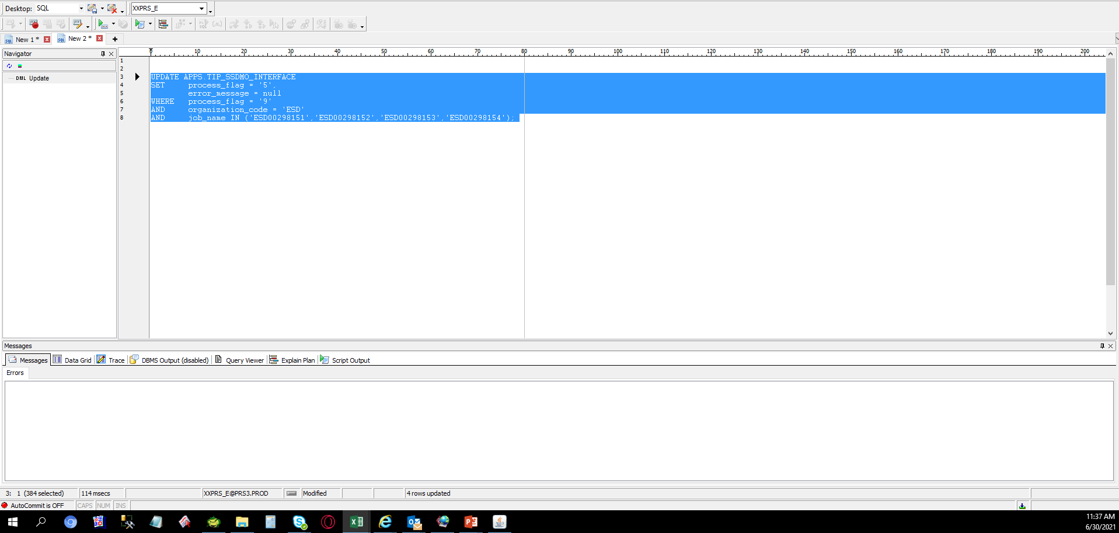
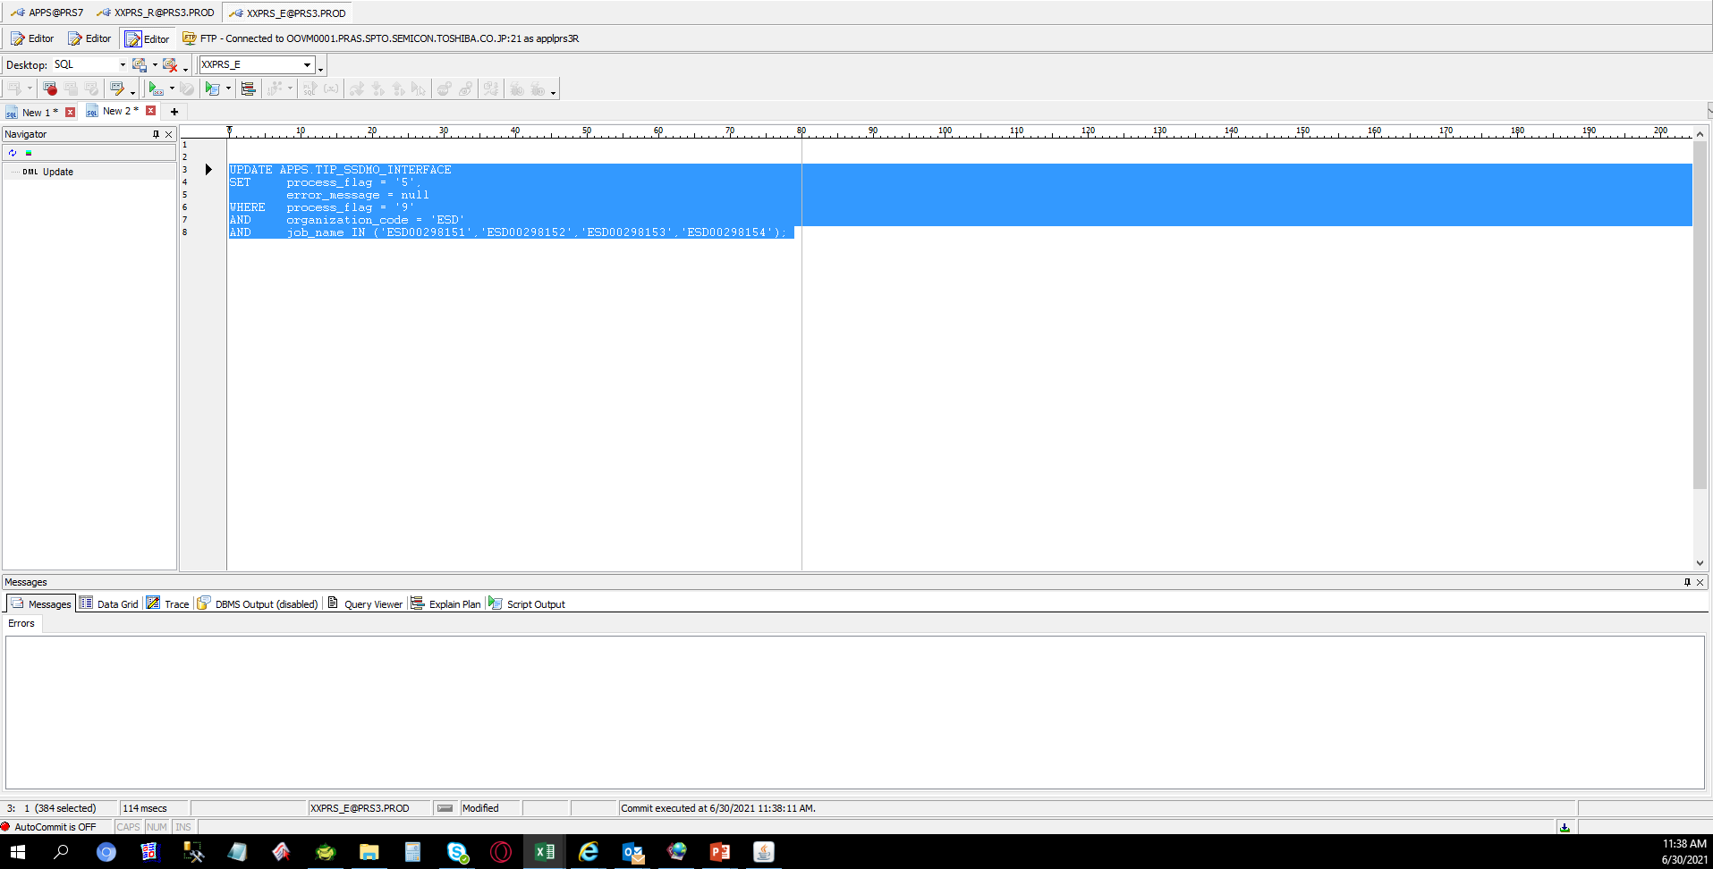
Actual Operation Evidence

 | SELECT *
 | FROM APPS.TIP_SSDMO_INTERFACE
 | WHERE process_flag = '9'
 | AND organization_code = 'ESD'
 | AND job_name IN ('ESD00298151','ESD00298152','ESD00298153','ESD00298154');

 | SOURCE_CODE | ORGANIZATION_CODE | ORGANIZATION_ID | ASSEMBLY_CODE | ASSEMBLY_ID | CLASS_CODE | JOB_NAME | QUANTITY | COMPLETION_DATE | ALTERNATE_ROUTING_DESIGNATOR | ALTERNATE_BOM_DESIGNATOR | ATTRIBUTE1 | ATTRIBUTE2 | ATTRIBUTE3 | ATTRIBUTE4 | ATTRIBUTE5 | ATTRIBUTE6 | ATTRIBUTE7 | ATTRIBUTE8 | ATTRIBUTE9 | ATTRIBUTE10 | CREATION_DATE | UPDATE_DATE | PROCESS_FLAG | ERROR_MESSAGE
 | TIPWIPS020 | ESD | 125 | SDFUS86DAB01TG0T | 3757005 | Standard | ESD00298151 | 210 | 6/29/2021 2:42:18 PM | MPL | MPL | ESDLINE |  |  |  |  |  |  |  |  |  | 6/29/2021 2:42:18 PM | 6/29/2021 2:42:44 PM | 9 | No operation sequence found for (ESD00298151).
 | TIPWIPS020 | ESD | 125 | SDFSU83GEB02T80T | 3709748 | Standard | ESD00298152 | 60 | 6/29/2021 2:42:20 PM | MPL | MPL | ESDLINE |  |  |  |  |  |  |  |  |  | 6/29/2021 2:42:20 PM | 6/29/2021 2:42:44 PM | 9 | No operation sequence found for (ESD00298152).
 | TIPWIPS020 | ESD | 125 | SDFUS85DAB01TE0T | 3757003 | Standard | ESD00298153 | 90 | 6/29/2021 2:42:20 PM | MPL | MPL | ESDLINE |  |  |  |  |  |  |  |  |  | 6/29/2021 2:42:20 PM | 6/29/2021 2:42:44 PM | 9 | No operation sequence found for (ESD00298153).
 | TIPWIPS020 | ESD | 125 | SDFUS84DAB01TC0T | 3756997 | Standard | ESD00298154 | 180 | 6/29/2021 2:42:21 PM | MPL | MPL | ESDLINE |  |  |  |  |  |  |  |  |  | 6/29/2021 2:42:21 PM | 6/29/2021 2:42:44 PM | 9 | No operation sequence found for (ESD00298154).

